history
Revision | Date | description
Liuxiang | 2012-01-11 | Improve file check item
Wasaki | 2013-09-24 | Improve test report format as follows.
 |  | (1)The following items are added. ・Subsystem: Write the subsystem which written in "pre-test report" sheet. Because it is easy to understand XPRI or Sonaps ・QA missed Test type: Write what kind of test type QA missed. It will improve test design skilｌ of QA team. ・Reproducible (yes/no): Write the problem is reproducible or not. ・Frequency (always/offten/sometimes/one time): Write the frequency which the problem happen.
 |  | (2) Based on Kageyama-san's request, the most left blank column was deleted. Also 1st and 2nd blank line of top were deleted.
 |  | (3)The column width of Test type was too wide. The column width of Testcase condition, Operation and Expected result were too narrow. So it was inconvenient to review. These issues were improved as follows. - The columns from "Patch for" to "Release Date" in test report header were shifted to left side. - The title field in header consists of not 1 column but 2 columns. The columns of Testcase and Test type were shortened. - Also the individual column width of Function, Test viewpoint, Testcase condition, Operation and Expected result was adjusted. - The position of Test times, Test Result, Severity and Current status in trailer are moved to right side.
 |  | (4) Based on Kageyama-san's request, the outline of Operation and Expected result column is grouped. It makes easier for managers to review the test result at release judgment meeting. They can be hidden or shown as needed. Please uncheck the check box of "Summary rows below detail" and "Summary columns to right of detail" as shown below.
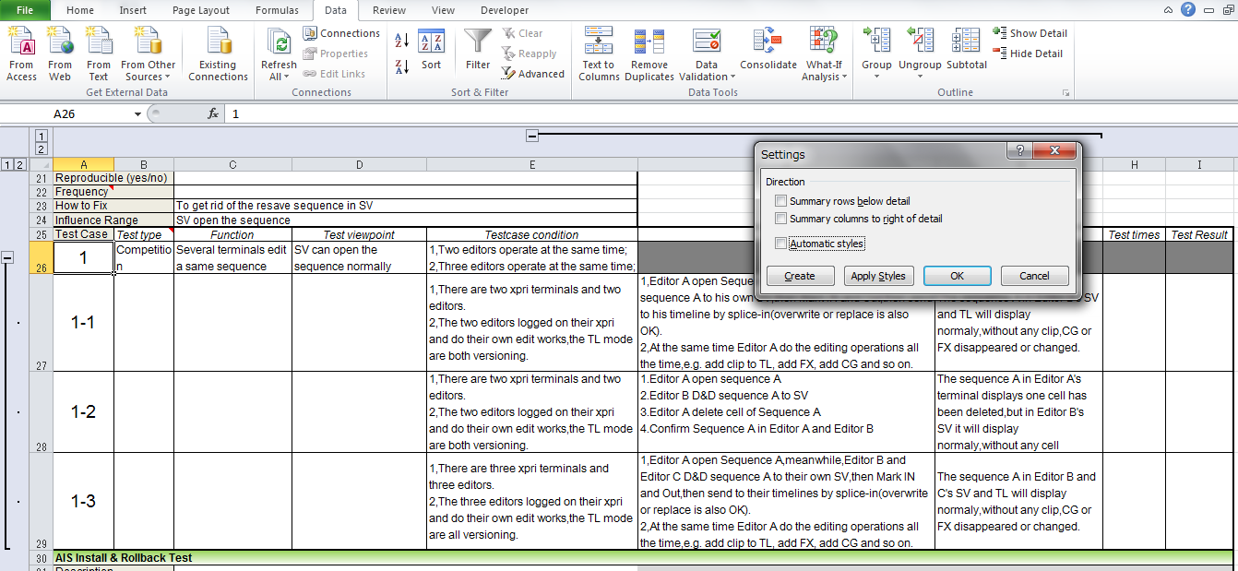

 |  | (5) There were so many unnecessary blank columns in right side of Test Result column. When a horizontal scroll bar is moved even a little, it moves to an unnecessary column. So those unncessary blan columns are deleted.
 |  | TestType sheet is added. It describes individual test type.

